Trend upto 2029
Year | India Production Capacity ( Million Tons ) | HM Through Torpedo (Million Tons ) | Torpedo Refractory Market Potential (MT) | ASC Bricks Market Potential (MT)
2024 | 160 | 70 | 40555 | 19400
2025 | 170 | 80 | 44000 | 20500
2026 | 180 | 90 | 47000 | 22000
Hot Metal Torpedo Refractory Potential
2027 | 190 | 95 | 51000 | 23500
2028 | 200 | 100 | 55000 | 25000
2029 | 210 | 110 | 58000 | 27000

Calderys Growth
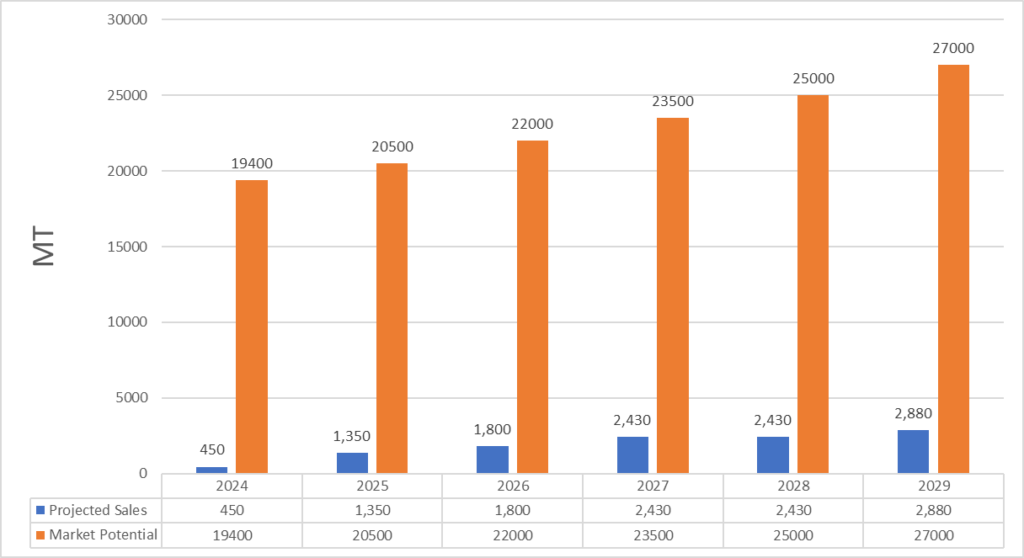
 | Year 0 | Year 1 | Year 2 | Year 3 | Year 4 | Year 5 | Year 6 | Year 7 | Year 8 | Year 9
Sets |  | 5 | 8 | 12 | 12 | 15 | 15 | 18 | 18 | 22
Tons | 450 | 1,350 | 1,800 | 2,430 | 2,430 | 2,880 | 2,880 | 3,200 | 3,200 | 3,500
ASP |  | 82500 | 82,500 | 82,500 | 82,500 | 82,500 | 82,500 | 82,500 | 82,500 | 82,500
% inc
Revenue |  | ₹111,375,000 | ₹148,500,000 | ₹200,475,000 | ₹200,475,000 | ₹237,600,000 | ₹237,600,000 | ₹264,000,000 | ₹264,000,000 | ₹288,750,000
Revenue in Euro |  | €1,237,500 | €1,650,000 | €2,227,500 | €2,227,500 | €2,640,000 | €2,640,000 | €2,933,333 | €2,933,333 | €3,208,333

Tons
 | 450
 | 1,350
 | 1,800
 | 2,430
 | 2,430
 | 2,880

 |  |  |  |  |  |  |  |  |  |  | Tons | 450 | 1,350 | 1,800 | 2,430 | 2,430 | 2,880
 |  |  |  |  |  |  |  |  |  |  | ASC Bricks Market Potential (MT) | 19400 | 20500 | 22000 | 23500 | 25000 | 27000

